F. PAFs
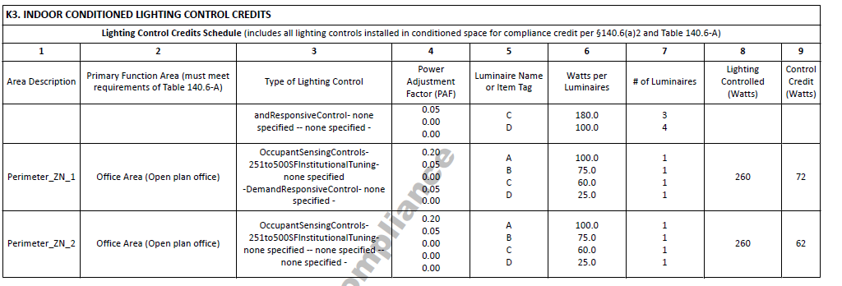
 |  | From NRCC |  |  | user Input |  | Calculated

Controls for Additional Wattage Credit (Power Adjustment Factor)
Controls in spaces listed in this table were designed to allow additional wattage as part of the strategy to comply with the Energy Code.
01 |  | 02 |  | 03 | 04 | 05 | 06 | 07
Area Description |  | Control(s) for Wattage Credit |  | Luminaires Controlled |  |  |  | Controls for Credit Compliance
 |  |  |  | Luminaire Name or Item Tag | Watts per Luminaire | Number of Luminaires | Lighting Controlled (Watts)
Per C of C | Pc01_SpaceDescription PEFORMANCE SCHEMA TERMS BELOW LtgCredits01_SpaceName | Pc02a_ApplyDaylightDimmingPlusOff Pc02b_ApplyOccupantSensingControlsUpTo125SF c_ApplyOccupantSensingControlsFrom126To250SF Pc02e_ApplyInstitutionalTuningNonDaylit Pc02f_ApplyInstitutionalTuningDaylit Pc02g_ApplyDemandResponsiveControl Pc02h_ApplyClerestoryFenestrationPAF Pc02i_ApplyHorizontalSlatsPAF Pc02j_ApplyLightShelvesPAF Pu02a_ApplyDaylightDimmingPlusOff Pu02b_ApplyOccupantSensingControlsUpTo125SF Pu02c_ApplyOccupantSensingControlsFrom126To250SF Pu02e_ApplyInstitutionalTuningNonDaylit Pu02f_ApplyInstitutionalTuningDaylit Pu02g_ApplyDemandResponsiveControl Pu02h_ApplyClerestoryFenestrationPAF Pu02i_ApplyHorizontalSlatsPAF Pu02j_ApplyLightShelvesPAF | Pc02a_ApplyDaylightDimmingPlusOff Pc02b_ApplyOccupantSensingControlsUpTo125SF c_ApplyOccupantSensingControlsFrom126To250SF Pc02e_ApplyInstitutionalTuningNonDaylit Pc02f_ApplyInstitutionalTuningDaylit Pc02g_ApplyDemandResponsiveControl Pc02h_ApplyClerestoryFenestrationPAF Pc02i_ApplyHorizontalSlatsPAF Pc02j_ApplyLightShelvesPAF Pu02a_ApplyDaylightDimmingPlusOff Pu02b_ApplyOccupantSensingControlsUpTo125SF Pu02c_ApplyOccupantSensingControlsFrom126To250SF Pu02e_ApplyInstitutionalTuningNonDaylit Pu02f_ApplyInstitutionalTuningDaylit Pu02g_ApplyDemandResponsiveControl Pu02h_ApplyClerestoryFenestrationPAF Pu02i_ApplyHorizontalSlatsPAF Pu02j_ApplyLightShelvesPAF | Pc03_LuminaireName Pu03_LuminaireName PERFORMANCE SCHEMA TERMS BELOW LtgCredits03_LightingPowerAdjustmentFactorCreditType | Pc04_LuminairePower Pu04_LuminairePower PERFORMANCE SCHEMA TERMS BELOW LtgCredits06_LuminairePower | Pc05_LuminaireCountByType Pu05_LuminaireCountByType PERFORMANCE SCHEMA TERMS BELOW LtgCredits07_LuminaireCountByType | Pc06_LuminairePowerByType Pu06_LuminairePowerByType PERFORMANCE SCHEMA TERMS BELOW LtgCredits08_LuminairePowerInArea
As-built Conditions |  |  |  | Dropdown |  |  | = col04 x col05
1 The compliance tool used to document the Certificate of Compliance does not provide data to the Certificate of Installation. In these scenarios,certificate of installation compliance status will need to be determined manually by the AHJ.

 |  |  |  | Fixture Dropdown
 |  |  |  | Fixtures from fixture table

F. Control Functionality
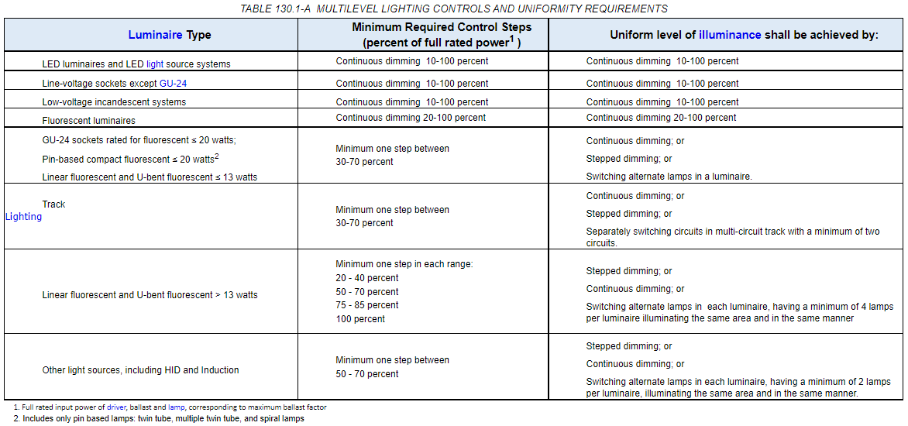
 | From NRCC |  | user Input |  | Calculated

This table covers the requirements in S130.4 for what needs to be on the NRCI/LMCI for lighting controls

Lighting Controls Functionality
Functionality listed for all lighting control systems must be installed and programmed.
Time-switch Controls
Installed controls that provide time-switch functionality, including automatic & astronomical controls:
A. | Have program backup capabilities to prevent the loss of schedule for at least 7 days & the date and time for at least 72 hours if power is interrupted;
B. | Are capable of providing manual override to each connected load and of resuming normally scheduled operation within 2 hours after manual override is initiated (nonresidential buildings only);
C. | Provide automatic holiday shutoff that turns off all connected loads for at least 24 hours and then resumes normally scheduled operation (nonresidential buildings only);
D. | Have sunrise and sunset prediction accuracy within +/- 15 minutes and timekeeping accuracy within 5 min per year (astronomical only);
E. | Are capable of displaying date, current time, sunrise time, sunset time, and switching times for each step during programming and automatically adjusting for daylight savings time (astronomical only);
F. | Have the ability to independently offset the on and off for each channel by at least 90 minutes before and after sunrise & sunset (astronomical only); and
G. | Include at least 2 separately programmable steps per zone (multi-level only)
H. | Indicator lights integral to lighting controls shall consume no more than one watt of power per indicator light.

Daylighting Controls
Installed controls that provide automatic daylighting functionality:
A. | Automatically return to its most recent time delay setting within 60 minutes of the last received input when left in calibration mode;
B. | Have a set point control that easily distinguishes setting to within 10% of full scale adjustment;
C. | Provide a linear response within 5% accuracy over the range of luminance measured by the light sensor; and
D. | Are capable of being calibrated in a manner that the person initiating the calibration is remote from the sensor during calibration to avoid influencing calibration accuracy, for example by having a light sensor that is physically separated from where the calibration adjustments are made.
E. | Indicator lights integral to lighting controls shall consume no more than one watt of power per indicator light.

Dimmers
Installed controls that provide dimming functionality:
A. | Are capable of reducing lighting power consumption by a minimum of 65% when at its lowest setting;
B. | B. Provide reduced flicker operation, meaning that directly controlled light sources shall be provided electrical power such that the light output has an amplitude modulation of less than 30% for frequencies less than 200 Hz without causing premature lamp failure;
C. | Provide an off setting that produces a zero lumen output; and
D. | For wall box dimmers and associated switches designed for use in three way circuit, be capable of turning lights off, and on to the level set by the dimmer if the lights are off.
E. | Indicator lights integral to lighting controls shall consume no more than one watt of power per indicator light.

Occupant Sensing Controls
Installed occupant sensing controls include occupant sensors, motion sensors, and vacancy sensors, including those with a Partial-ON or Partial- OFF function:
A. | Are capable of automatically turning the controlled lights in the area either off or down no more than 20 minutes after the area has been vacated;
B. | For manual-on controls, have a grace period of no less than 15 seconds and no more than 30 seconds to turn on lighting automatically after the sensor has timed out; and
C. | Provide a visible status signal that indicates that the device is operating properly, or that it has failed or malfunctioned. The visible status signal may have an override that turns off the signal.
D. | Indicator lights integral to lighting controls shall consume no more than one watt of power per indicator light.
E. | NOTE: Occupant Sensing Control systems may consist of a combination of single or multilevel Occupant, Motion, or Vacancy Sensor Controls, provided that components installed to comply with manual-on requirements shall not be capable of conversion by occupants from manual-on to automatic-on functionality.
F. | Sensors that are used by occupant sensing controls to detect occupants shall meet all of the following requirements:
 | i. | Shall not incorporate switches or mechanical devices that allow the sensor to be disabled without changing the settings of the control;
 | ii. | Sensors that utilize ultrasonic radiation for detection of occupants shall comply with 21 C.F.R. part 1002.12, not emit audible sound and not emit ultrasound in excess of the decibel levels shown below in Table 110.9-A measured no more than five feet from the source, on axis;
 | iii. | Sensors that utilize microwave radiation for detection of occupants shall comply with 47 C.F.R. parts 2 and 15 and not emit radiation in excess of 1 milliwatt per square centimeter measured at no more than 5 centimeters from the emission surface of the device.

 |  | TABLE 110.9-A - ULTRASOUND MAXIMUM DECIBEL VALUES
 |  | Mid-frequency of Sound Pressure Third-Octave Band (in kHz) |  | Maximum db Level within Third-Octave Band (in dB reference 20 micropascals)
 |  | Less than 20 |  | 80
 |  | 20 or more to less than 25 |  | 105
 |  | 25 or more to less than 31.5 |  | 110
 |  | 31.5 or more |  | 115

Interlocking Lighting System
Lighting systems installed in auditoriums, convention centers, conference rooms, multipurpose rooms or theaters:
A. | Must not have more than two lighting systems used for an area, and if there are two they must be interlocked.
B. | The two lighting systems are interlocked with a non-programmable double throw switch to prevent simultaneous operation. For compliance with Part 6 a Nonprogrammable Double-Throw Switch is an electrical switch commonly called a "single pole double throw" or "three-way" switch that is wired as a selector switch allowing one of two loads to be enabled. It can be a line voltage switch or a low voltage switch selecting between two relays. It cannot be overridden or changed in any manner that would permit both loads to operate simultaneously.

Controls in Videoconferencing Studio
If additional lighting power for a Videoconferencing Studio was included in the prescriptive compliance strategy on the NRCC-LTI-E or LMCC-LTI-E:
A. | The Videoconferencing Studio must be a room with permanently installed videoconferencing cameras, audio equipment, and playback equipment for both audio-based and video-based two-way communication between local and remote sites; and
B. | General lighting must be switched in accordance with TABLE 130.1-A (see below); and
C. | Wall wash lighting is separately switched from the general lighting system; and
D. | All of the lighting in the studio, including general lighting, is controlled by a multi-scene programmable control system (also known as a scene preset control system).

Sig Block


